Working in Teams
WORKING IN TEAMS

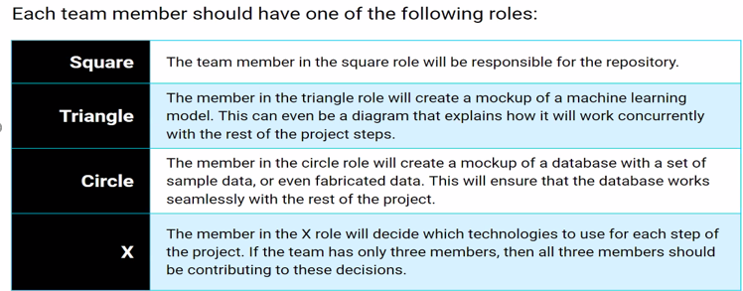

Nisha Bharakhada (551) 444-8010 nishabcareer@gmail.com
Neeraja Jayaraman (248) 787-1716 neeraja.jayaraman@gmail.com
Richelle Long (209) 981-5485 ririklong@gmail.com
Dixie Peralta (707) 246-5762 dixiemperalta@gmail.com
 |  | MEMBER
 |  | Dixie
 |  | Neeraja & Nisha
 |  | Dixie & Richelle

WEEK 1(7/19-7/26)
Team | Worked on selecting topics. Maintenance of Project Progress in google
Dixie | Creation of Repository and Branch. Read CSV file using Jupyter Notebook
Nisha | Update README.md Google slide presentation
Neeraja | Explored different topics and datasets, Drafted project progress Plan based on rubric, performed preliminary research on suitable Machine Learning Model.
Richelle | Uploaded CSV files in GitHub

Dataset - Columns & Types
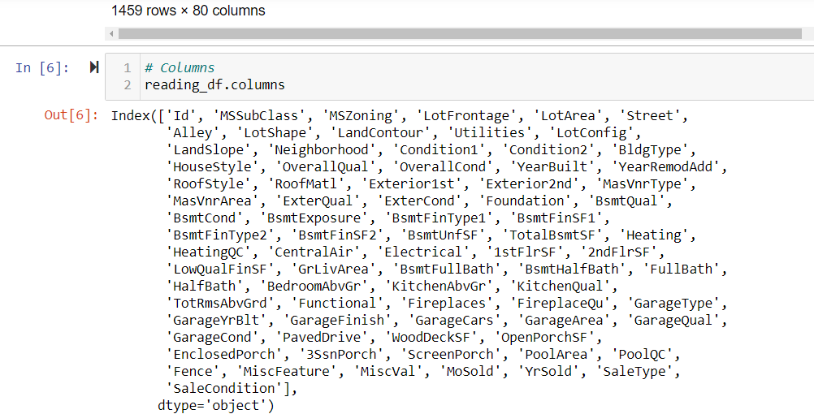
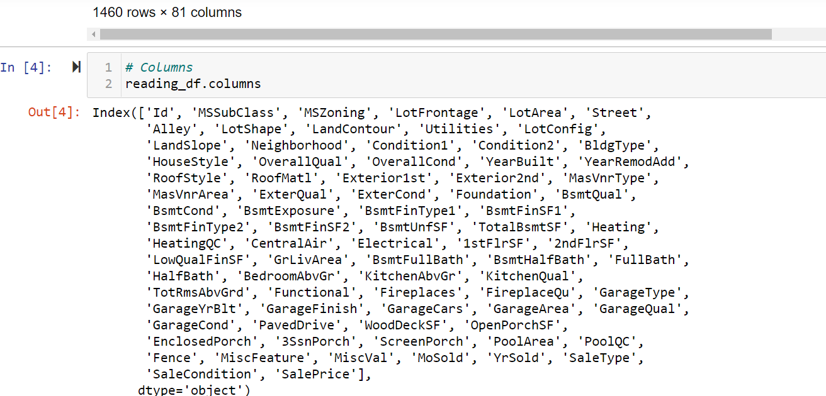
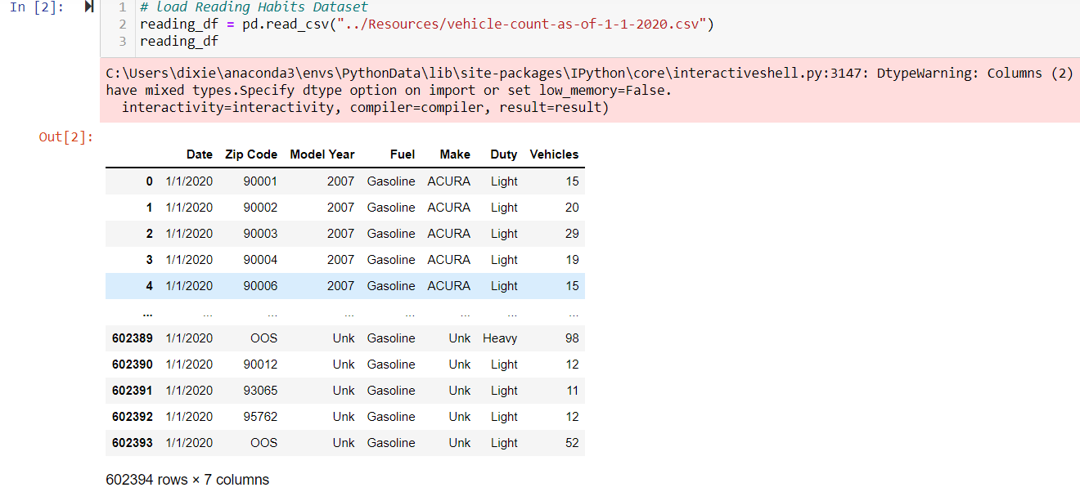
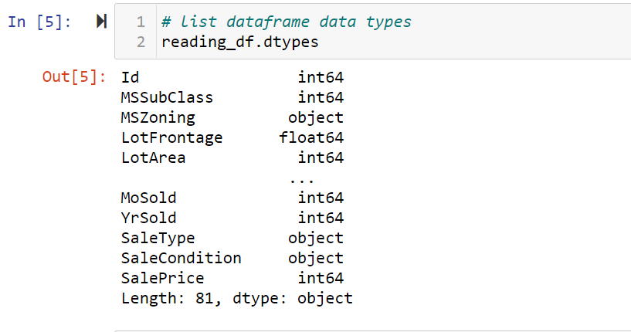
COLUMNS and DATA TYPES
US Videos | READING HABITS
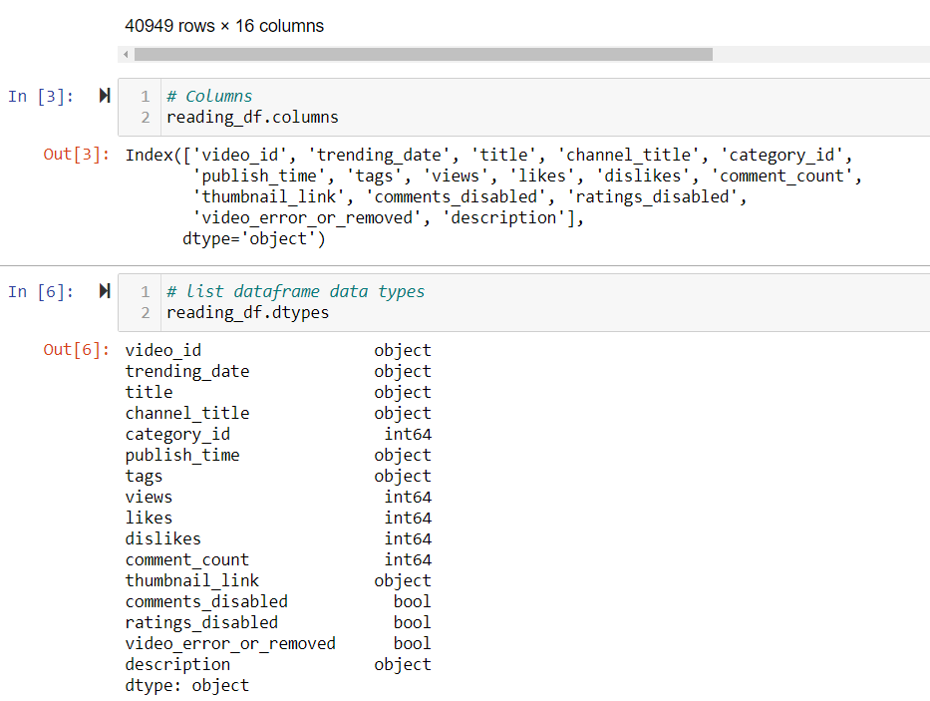
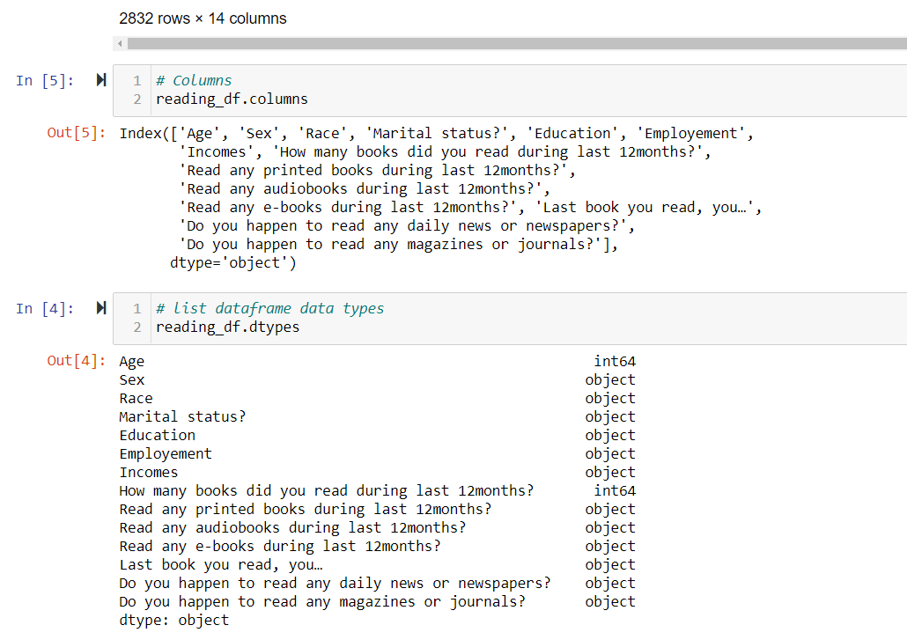

HOUSING TRAIN | Vehicle

Rubrics Segment1
